Sheet1
 |  | Document No. | Issue No. | Issue Date |  | Review and Replace Date |  |  | Authorised By
 |  | GFF562MC | 1 | 17.06.2026 |  | New doc
 |  | Document Title | SWEET AND SOUR CHICKEN WITH EGG FRIED RICE 400G- LEAN
 |  |  |  |  |  |  |  |  | Magda Shah
Document amendments reason for change |  | New doc | Page 1 of 1 |  | Previous Issue Date |  | New Doc |  | Uncontrolled copy unless signed original

CCSSR-1R20TSE | SIMMER |  | SWEET AND SOUR CHICKEN WITH EGG FRIED RICE 400G - LEAN
STEP 1 |  |  | STEP 2 |  |  |  |  | STEP 3
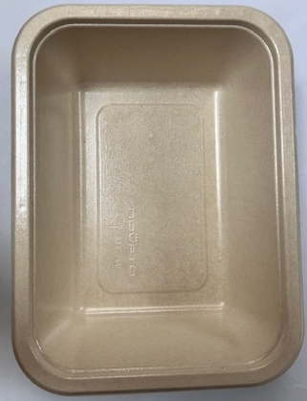 |  |  | 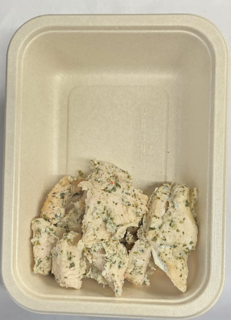 |  |  |  |  | 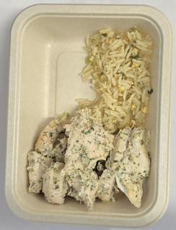
Tray: B187/45 Cuisine Kraft Tray- (PKNOV001-02) |  |  | Coriander Marinated Chicken - (Simmer) GFF560R: 145g |  |  |  |  | Egg Fried Rice -(Simmer) - GFF559R- 30g
Film:K-Peel EIPS N 45 (250mmX1000)-PKKMP001-09
STEP 4 |  |  | STEP 5 |  |  |  |  | STEP 6
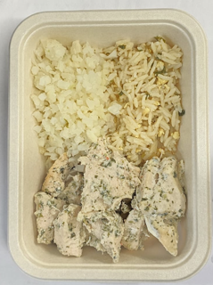 |  |  | 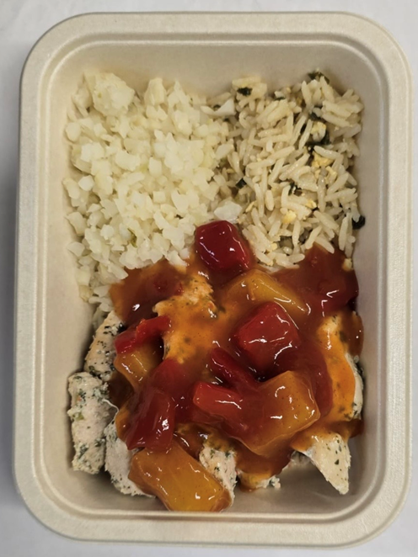 |  |  |  |  | 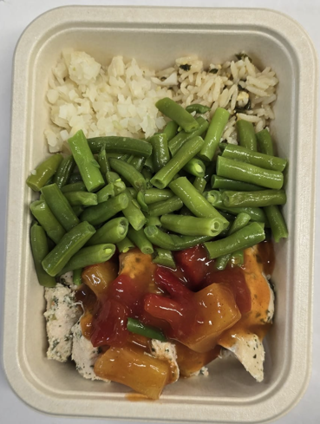
Steamed Cauliflower Minced - (Simmer) GFF561R- 45g |  |  | Sweet and Sour Sauce ( Simmer) GFF558R: 100g |  |  |  |  | Steamed Green Beans - GFF204R-80g
Total Weight 400g - Lean Product
ALLERGY ALERT: Egg, Wheat, Soya

